2016
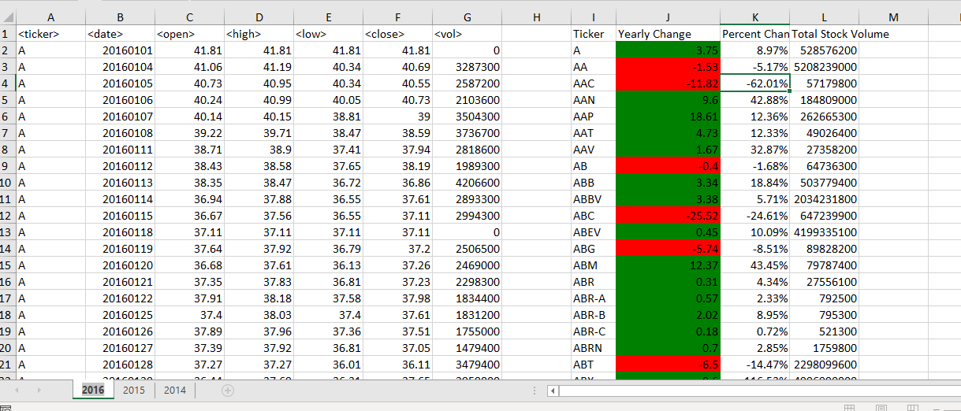
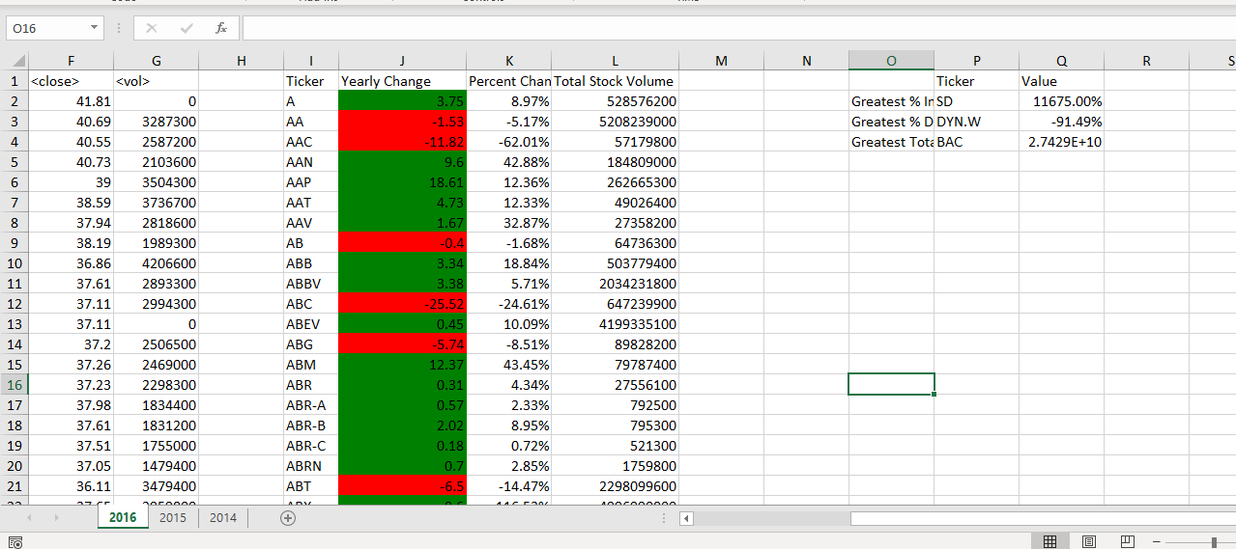
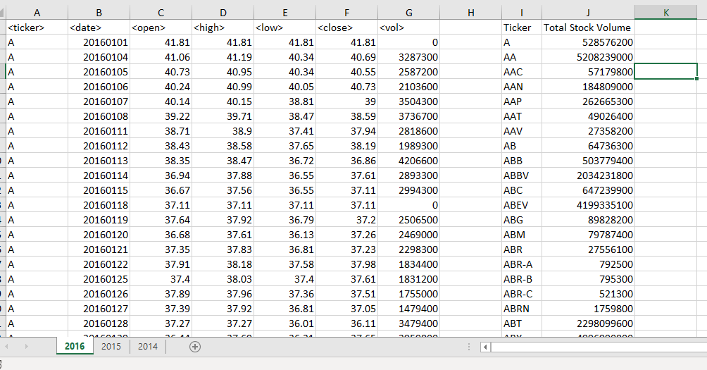
Ticker | Yearly Change | Percent Change | Total Stock Volume |  | Ticker | Value
 |  |  |  | Greatest % Increase
 |  |  |  | Greatest % Decrease
 |  |  |  | Greatest Total Volume

2015
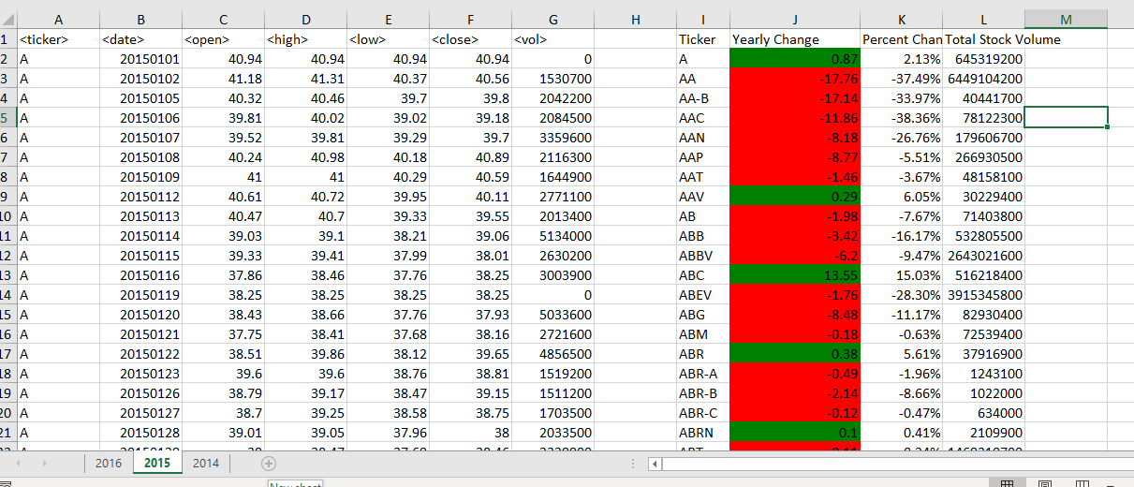
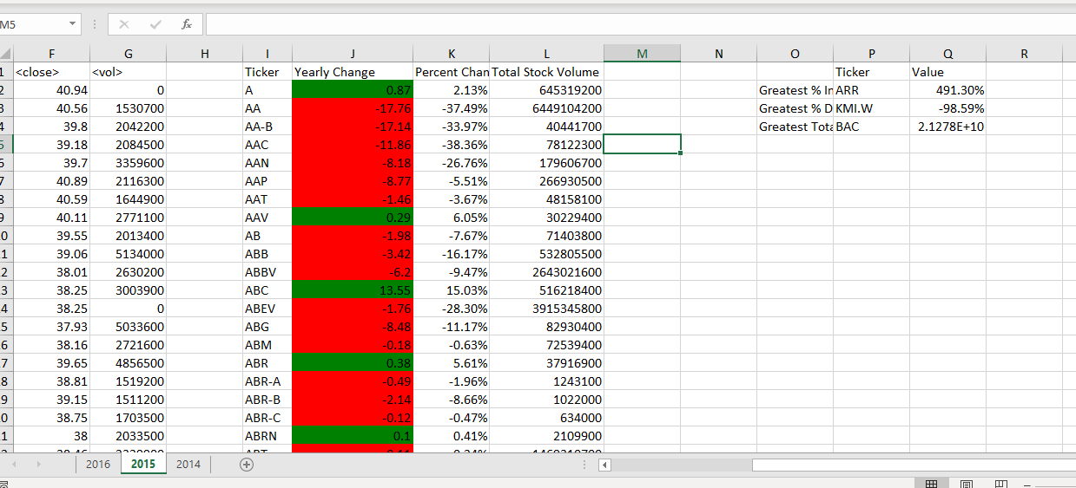
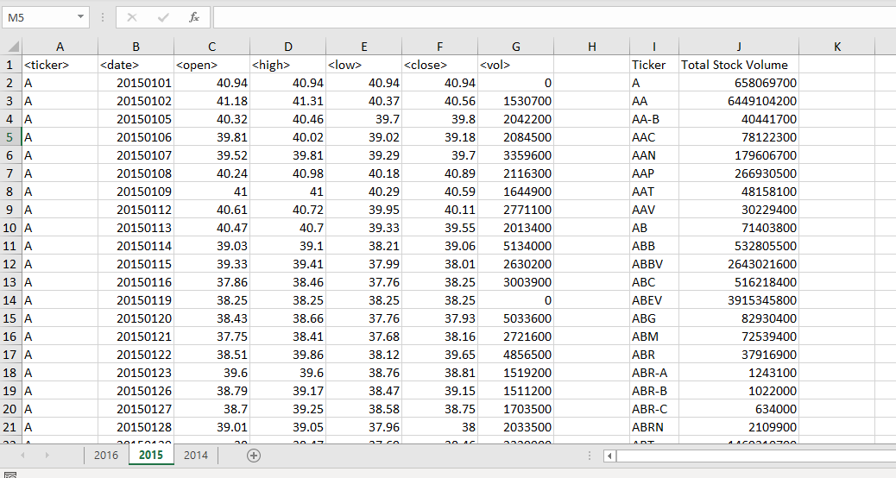
Ticker | Yearly Change | Percent Change | Total Stock Volume |  | Ticker | Value
 |  |  |  | Greatest % Increase
 |  |  |  | Greatest % Decrease
 |  |  |  | Greatest Total Volume

2014
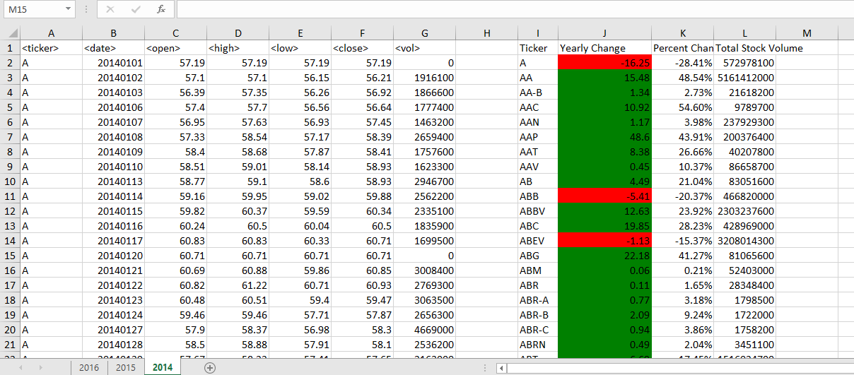
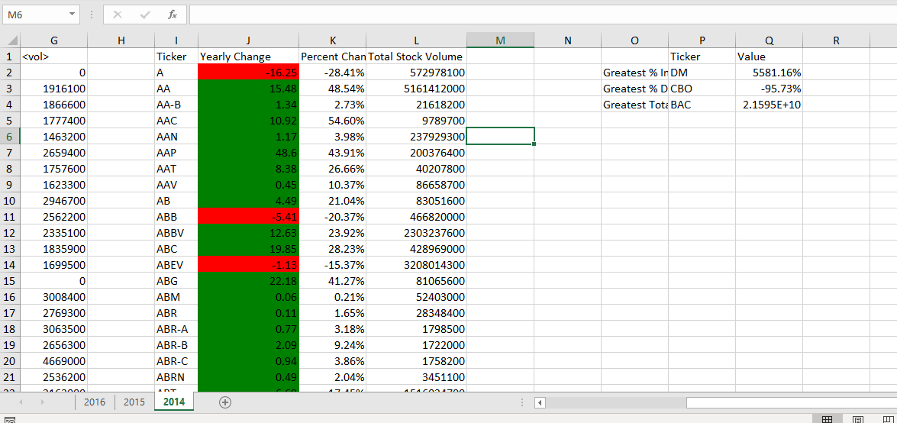
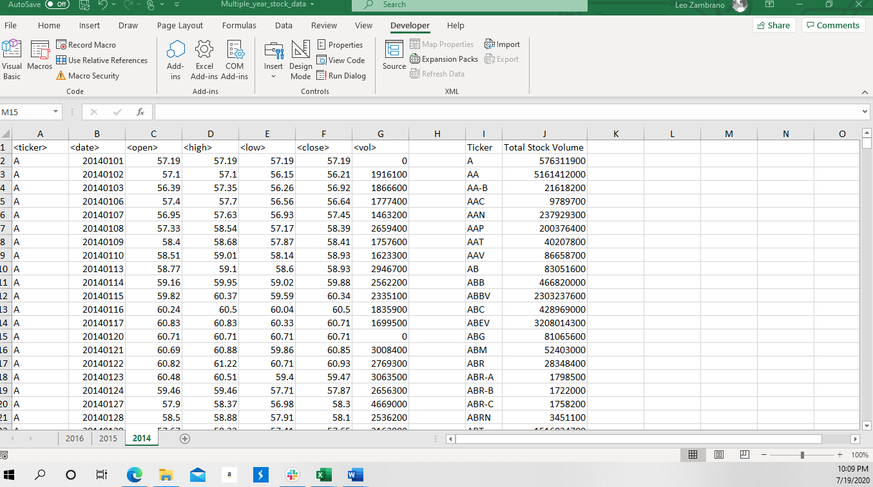
Ticker | Yearly Change | Percent Change | Total Stock Volume |  | Ticker | Value
 |  |  |  | Greatest % Increase
 |  |  |  | Greatest % Decrease
 |  |  |  | Greatest Total Volume

